Tool
Is this Non-dairy Beverage Creditable as Fluid Milk in the CACFP?
Beverage Name
(Brand and Type)
Institution/Facility Name
Agreement #
Date Tool Completed

How do I use this tool? Read the steps below and see the example tool completed on page 2 and 3.
Step 1. Record the (1) Beverage Name, (2) Institution/Facility Name, (3) Agreement #, and (4) Date Tool Completed.
Step 2. Locate the Nutrition Facts label on the non-dairy beverage container. (Look for a label that is similar to the label shown below.)
Step 3. Enter the nutrient values from the Nutrition Facts label in the chart under “Enter Nutrient Data.” If the amount of a nutrient is less than the minimum amount required by the CACFP regulations, NO will remain in the “Meets Equivalency” column. If any NO remains, the product must not be served because it is not creditable as fluid milk. However, if the non-dairy beverage contains enough of each nutrient, you will see a YES in each row as well as a smiley face. This indicates the non-dairy beverage is creditable in the CACFP.
Step 4. If the non-dairy beverage meets the requirements, keep a copy of the product label and its Nutrition Facts label with a copy of this worksheet as supporting documentation.

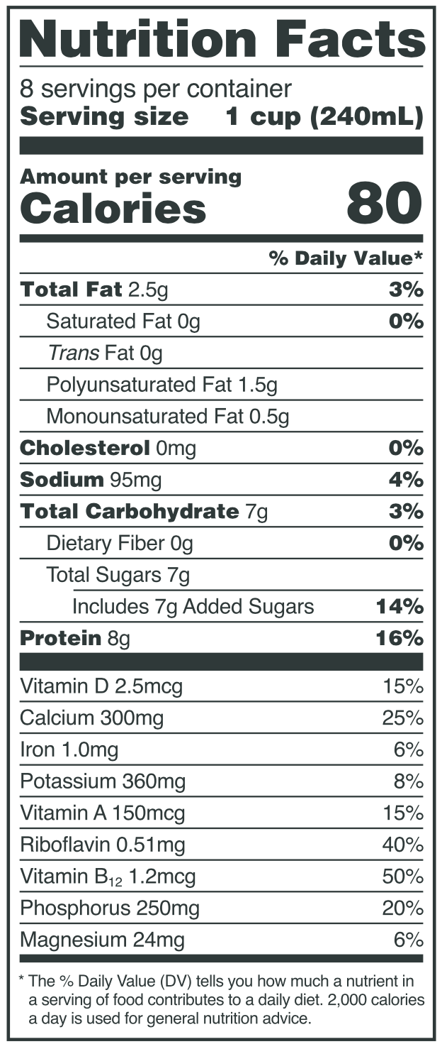
 | Nutrient | Enter Nutrient Data | Unit | Non-Dairy Beverage Allowed Nutritional Equivalency* | Units per 8 oz. Cup | Meets Equivalency?
 | Protein |  | g | 8 | g per 8 fl. oz. | NO
 | Vitamin D |  | mcg | 2.5 | mcg per 8 fl. oz. | NO
 | Calcium |  | mg | 276 | mg per 8 fl. oz. | NO
 | Potassium |  | mg | 349 | mg per 8 fl. oz. | NO
 | Vitamin A |  | mcg | 150 | mcg per 8 fl. oz. | NO
 | Riboflavin |  | mg | 0.44 | mg per 8 fl. oz. | NO
 | Vitamin B-12 |  | mcg | 1.1 | mcg per 8 fl. oz. | NO
 | Phosphorus |  | mg | 222 | mg per 8 fl. oz. | NO
 | Magnesium |  | mg | 24 | mg per 8 fl. oz. | NO

 | Does your product meet the requirements? |  |  |  |  | NO | L
g=grams, mg=milligrams, mcg=micrograms
Please be aware that manufactures may change their products at any time. Check the Nutrition Facts label regularly for any changes in Daily Values.

This institution is an equal opportunity provider.
Updated: 11/22/2021
*7 C.F.R. 226.20(g)(3)

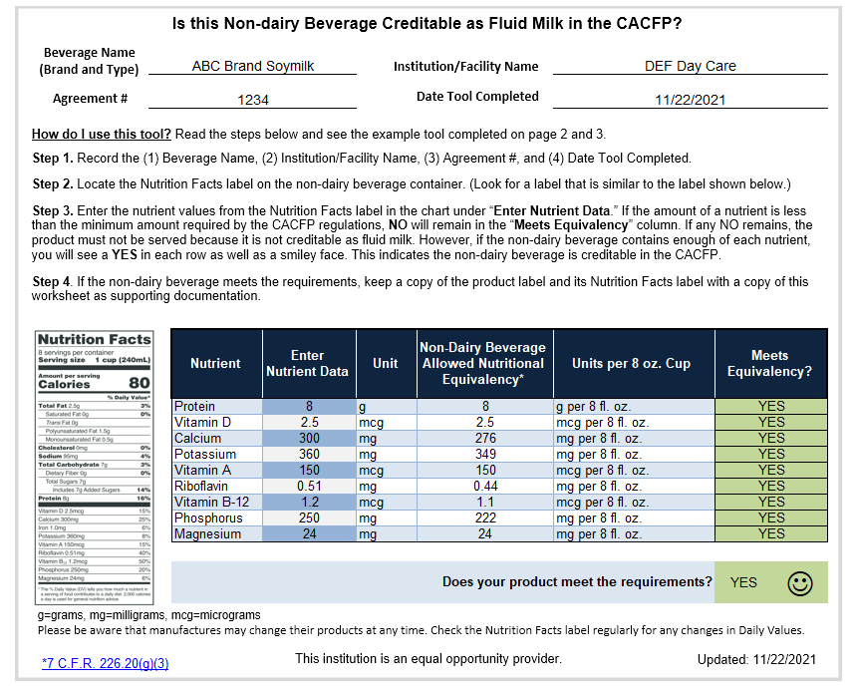
Example

Step 1

Step 2
Step 3

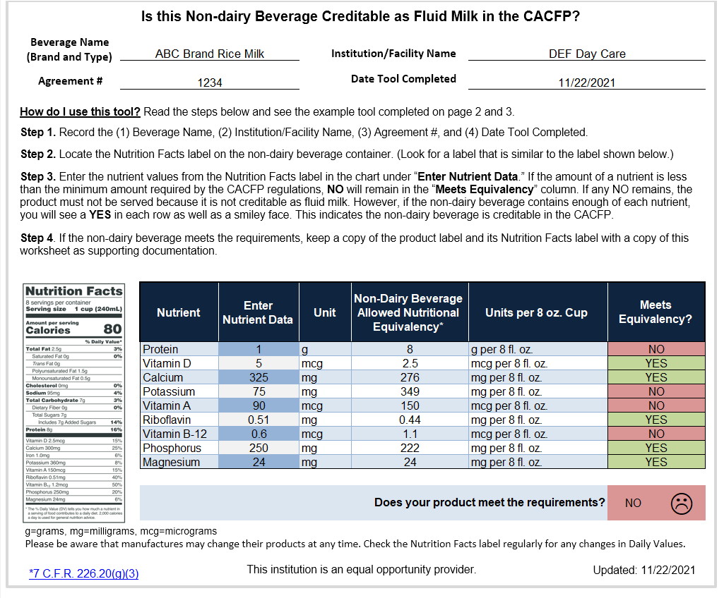
Example

Step 1

Step 2
Step 3

